Home Kit
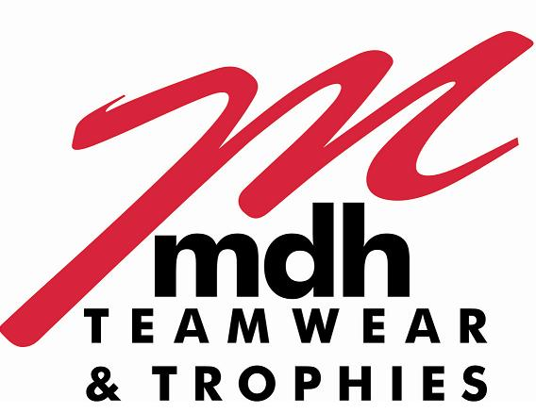
 | Harborough Town FC
 | Quote Generator & Order Form 2026
 | Nike Park VIII Home Match Kit

* Please note that all Ages mentioned are guidelines only and you should also use the height, chest & waist measurements
to identify what size you need to order and please remember to allow for growing room if you want the items to last for 2 seasons

 | Team Age Group
 | Team Name (if applicable)

 | Manager Name |  |  |  |  | Please send completed forms to sales@mdhteamwear.co.uk
 | Manager Phone Number
 | Manager E-Mail Address

 | Name of Sponsor |  |  |  |  | Please ensure to attach your sponsor logo to your e-mail..!!
 | Invoice Address for Sponsor
 | E-Mail Address to send Sponsor Invoice

Enter quanitity required in Column K and remember to add Shirt Number Allocations

E-Mail Completed Form through to sales@mdhteamwear.co.uk or if you have any questions about your order

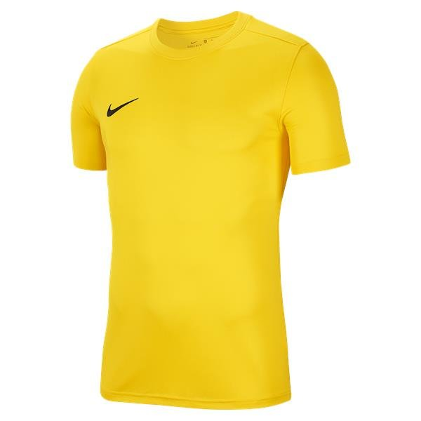
 | Park VIII Shirt (Short Sleeve) - Tour Yellow/Black |  |  |  | HTFC Cost | Quantity | Total Cost
 | NIKE Size | Product Code | Height Guide | To Fit Chest Size | incl. VAT | Required | incl. VAT | Black MDH22 Shirt Numbers
 | X-Small Youth | HV8182-719 | 47" to 51" | 25.5" to 26" | £14.99 |  | £0.00
 | Small Youth | HV8182-719 | 51" to 55" | 26" to 27" | £14.99 |  | £0.00
 | Medium Youth | HV8182-719 | 55" to 59" | 27" to 29.5" | £14.99 |  | £0.00
 | Large Youth | HV8182-719 | 59" to 63" | 29.5" to 32" | £14.99 |  | £0.00
 | X-Large Youth | HV8182-719 | 63" to 67" | 32" to 35" | £14.99 |  | £0.00
 | Small Adult | HV8173-719 |  | 35" to 37.5" | £17.99 |  | £0.00
 | Medium Adult | HV8173-719 |  | 37.5" to 41" | £17.99 |  | £0.00
 | Large Adult | HV8173-719 |  | 41" to 44" | £17.99 |  | £0.00
 | X-Large Adult | HV8173-719 |  | 44" to 48.5" | £17.99 |  | £0.00
 | XX-Large Adult | HV8173-719 |  | 48.5" to 53.5" | £17.99 |  | £0.00

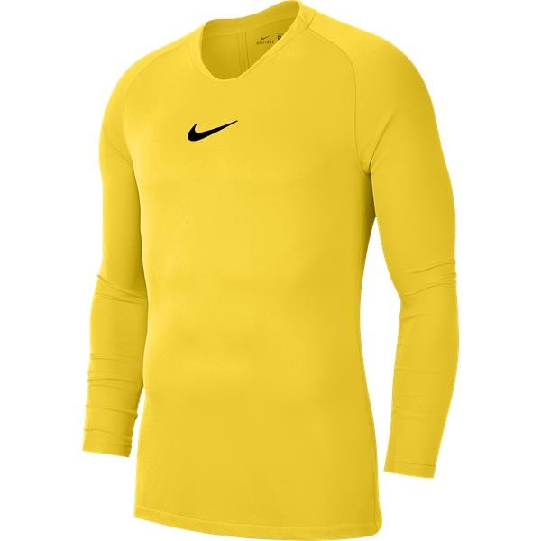
 | Park First Layer Top (Long Sleeve) - Tour Yellow/Black |  |  |  | HTFC Cost | Quantity | Total Cost
 | NIKE Size | Product Code | Height Guide | To Fit Chest Size | incl. VAT | Required | incl. VAT
 | X-Small Youth | AV2611-719 | 47" to 51" | 25.5" to 26" | £19.99 |  | £0.00
 | Small Youth | AV2611-719 | 51" to 55" | 26" to 27" | £19.99 |  | £0.00
 | Medium Youth | AV2611-719 | 55" to 59" | 27" to 29.5" | £19.99 |  | £0.00
 | Large Youth | AV2611-719 | 59" to 63" | 29.5" to 32" | £19.99 |  | £0.00
 | X-Large Youth | AV2611-719 | 63" to 67" | 32" to 35" | £19.99 |  | £0.00
 | Small Adult | AV2609-719 |  | 35" to 37.5" | £24.99 |  | £0.00
 | Medium Adult | AV2609-719 |  | 37.5" to 41" | £24.99 |  | £0.00
 | Large Adult | AV2609-719 |  | 41" to 44" | £24.99 |  | £0.00
 | X-Large Adult | AV2609-719 |  | 44" to 48.5" | £24.99 |  | £0.00
 | XX-Large Adult | AV2609-719 |  | 48.5" to 53.5" | £24.99 |  | £0.00

 | Park III Knit Short - Black/White - NO CLUB BADGE |  |  |  | HTFC Cost | Quantity | Total Cost
 | NIKE Size | Product Code | To Fit Waist Size | To Fit Hips Size | incl. VAT | Required | incl. VAT
 | X-Small Youth | BV6865-010 | 23.5" to 24" | 27" to 28" | £12.99 |  | £0.00
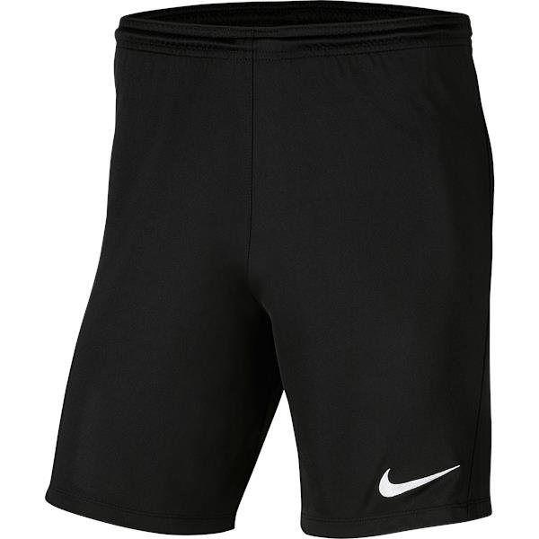
 | Small Youth | BV6865-010 | 24" to 25.5" | 28" to 29.5" | £12.99 |  | £0.00
 | Medium Youth | BV6865-010 | 25.5" to 27" | 29.5" to 31.5" | £12.99 |  | £0.00
 | Large Youth | BV6865-010 | 27" to 28.5" | 31.5" to 33.5" | £12.99 |  | £0.00
 | X-Large Youth | BV6865-010 | 28.5" to 29.5" | 33.5" to 35" | £12.99 |  | £0.00
 | Small Adult | BV6855-010 | 29" to 32" | 35" to 37.5" | £16.99 |  | £0.00
 | Medium Adult | BV6855-010 | 32" to 35" | 37.5" to 41" | £16.99 |  | £0.00
 | Large Adult | BV6855-010 | 35" to 38" | 41" to 44" | £16.99 |  | £0.00
 | X-Large Adult | BV6855-010 | 38" to 43" | 44" to 47" | £16.99 |  | £0.00
 | XX-Large Adult | BV6855-010 | 43" to 47.5" | 47" to 50.5" | £16.99 |  | £0.00

 | LADIES Park VIII Shirt (Short Sleeve) - Tour Yellow/Black |  |  |  | HTFC Cost | Quantity | Total Cost
 | NIKE Size | Product Code | Average UK Size | To Fit Bust Size | incl. VAT | Required | incl. VAT | Black MDH22 Shirt Numbers
 | X-Small Ladies | HV8178-719 | 4 to 6 | 29.5" to 32.5" | £17.99 |  | £0.00
 | Small Ladies | HV8178-719 | 8 to 10 | 32.5" to 35.5" | £17.99 |  | £0.00
 | Medium Ladies | HV8178-719 | 12 to 14 | 35.5" to 38" | £17.99 |  | £0.00
 | Large Ladies | HV8178-719 | 16 to 18 | 38" to 41" | £17.99 |  | £0.00
 | X-Large Ladies | HV8178-719 | 20 to 22 | 41" to 44.5" | £17.99 |  | £0.00
 | XX-Large Ladies | HV8178-719 | 24 to 26 | 44.5" to 48.5" | £17.99 |  | £0.00

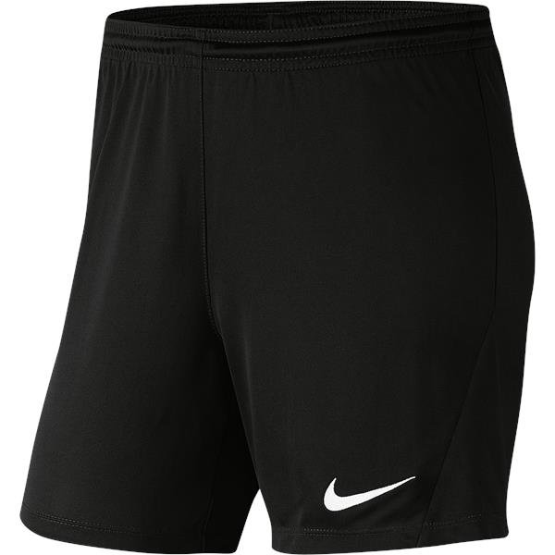
 | LADIES Park III Knit Short - Black/White - NO CLUB BADGE |  |  |  | HTFC Cost | Quantity | Total Cost
 | NIKE Size | Product Code | To Fit Waist Size | To Fit Hips Size | incl. VAT | Required | incl. VAT
 | X-Small Ladies | BV6860-010 | 23.5" to 26" | 33" to 35.5" | £16.99 |  | £0.00
 | Small Ladies | BV6860-010 | 26" to 29" | 35.5" to 38.5" | £16.99 |  | £0.00
 | Medium Ladies | BV6860-010 | 29" to 31.5" | 38.5" to 41" | £16.99 |  | £0.00
 | Large Ladies | BV6860-010 | 31.5" to 34.5" | 41" to 44" | £16.99 |  | £0.00
 | X-Large Ladies | BV6860-010 | 34.5" to 38.5" | 44" to 47" | £16.99 |  | £0.00
 | XX-Large Ladies | BV6860-010 | 38.5" to 42.5" | 47" to 50" | £16.99 |  | £0.00

 | Classic II Sock - Tour Yellow |  |  |  | HTFC Cost | Quantity | Total Cost
 | NIKE Size | Product Code | UK Shoe Size | EU Shoe Size | incl. VAT | Required | incl. VAT
 | X-Small | SX5728-719 | J12.5 to 2.5 | 31 to 35 | £9.99 |  | £0.00
 | Small | SX5728-719 | 2 to 5 | 34 to 38 | £9.99 |  | £0.00
 | Medium | SX5728-719 | 5 to 8 | 38 to 42 | £9.99 |  | £0.00
 | Large | SX5728-719 | 8 to 11 | 42 to 46 | £9.99 |  | £0.00
 | X-Large | SX5728-719 | 11 to 14.5 | 46 to 50 | £9.99 |  | £0.00

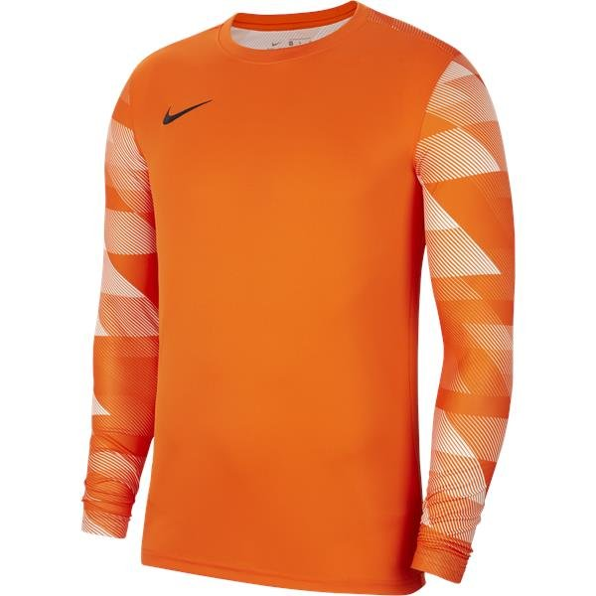
 | Park IV GK Shirt (Long Sleeve) - Safety Orange/White |  |  |  | HTFC Cost | Quantity | Total Cost
 | NIKE Size | Product Code | Height Guide | To Fit Chest Size | incl. VAT | Required | incl. VAT | Black MDH22 Shirt Numbers
 | X Small Youth | CJ6072-819 | 47" to 51" | 25.5" to 26" | £24.99 |  | £0.00
 | Small Youth | CJ6072-819 | 51" to 55" | 26" to 27" | £24.99 |  | £0.00
 | Medium Youth | CJ6072-819 | 55" to 59" | 27" to 29.5" | £24.99 |  | £0.00
 | Large Youth | CJ6072-819 | 59" to 63" | 29.5" to 32" | £24.99 |  | £0.00
 | X-Large Youth | CJ6072-819 | 63" to 67" | 32" to 35" | £29.99 |  | £0.00
 | Small Adult | CJ6066-819 |  | 35" to 37.5" | £37.99 |  | £0.00
 | Medium Adult | CJ6066-819 |  | 37.5" to 41" | £37.99 |  | £0.00
 | Large Adult | CJ6066-819 |  | 41" to 44" | £37.99 |  | £0.00
 | X-Large Adult | CJ6066-819 |  | 44" to 48.5" | £37.99 |  | £0.00
 | XX-Large Adult | CJ6066-819 |  | 48.5" to 53.5" | £37.99 |  | £0.00

 | Park III Knit Short - Safety Orange/White - NO CLUB BADGE |  |  |  | HTFC Cost | Quantity | Total Cost
 | NIKE Size | Product Code | To Fit Waist Size | To Fit Hips Size | incl. VAT | Required | incl. VAT
 | X Small Youth | BV6865-819 | 23.5" to 24" | 27" to 28" | £12.99 |  | £0.00
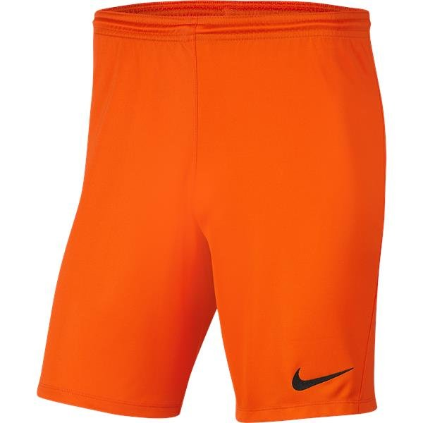
 | Small Youth | BV6865-819 | 24" to 25.5" | 28" to 29.5" | £12.99 |  | £0.00
 | Medium Youth | BV6865-819 | 25.5" to 27" | 29.5" to 31.5" | £12.99 |  | £0.00
 | Large Youth | BV6865-819 | 27" to 28.5" | 31.5" to 33.5" | £12.99 |  | £0.00
 | X-Large Youth | BV6865-819 | 28.5" to 29.5" | 33.5" to 35" | £12.99 |  | £0.00
 | Small Adult | BV6855-819 | 29" to 32" | 35" to 37.5" | £16.99 |  | £0.00
 | Medium Adult | BV6855-819 | 32" to 35" | 37.5" to 41" | £16.99 |  | £0.00
 | Large Adult | BV6855-819 | 35" to 38" | 41" to 44" | £16.99 |  | £0.00
 | X-Large Adult | BV6855-819 | 38" to 43" | 44" to 47" | £16.99 |  | £0.00
 | XX-Large Adult | BV6855-819 | 43" to 47.5" | 47" to 50.5" | £16.99 |  | £0.00

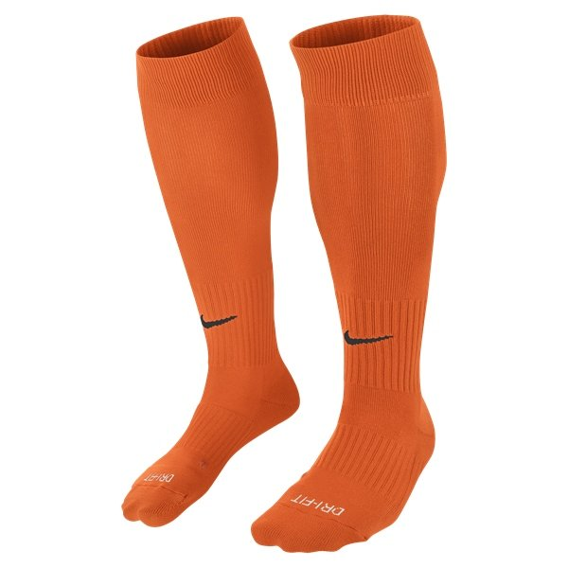
 | Classic II Sock - Safety Orange |  |  |  | HTFC Cost | Quantity | Total Cost
 | NIKE Size | Product Code | UK Shoe Size | EU Shoe Size | incl. VAT | Required | incl. VAT
 | X-Small | SX5728-816 | J12.5 to 2.5 | 31 to 35 | £9.99 |  | £0.00
 | Small | SX5728-816 | 2 to 5 | 34 to 38 | £9.99 |  | £0.00
 | Medium | SX5728-816 | 5 to 8 | 38 to 42 | £9.99 |  | £0.00
 | Large | SX5728-816 | 8 to 11 | 42 to 46 | £9.99 |  | £0.00
 | X-Large | SX5728-816 | 11 to 14.5 | 46 to 50 | £9.99 |  | £0.00

 | Personalisation Charges |  |  |  |  | Qty Required
 | Printed Silicone Club Badge - Left Chest |  |  |  | £4.00 | 0 | £0.00
 | Printed Nike Partner Club Logo - Above Number |  |  |  | £0.00 | 0 | £0.00
 | Printed MDH22 Shirt Numbers - Back of Shirt |  |  |  | £2.00 | 0 | £0.00 | Sponsor Name
 | Printed Sponsor Logo - Centre Chest |  |  |  | £4.00 | 0 | £0.00

 | Quotation Total (incl. VAT) |  |  |  |  | £0.00

Away Kit
 | Harborough Town FC
 | Quote Generator & Order Form 2026
 | Nike Park VIII Away Match Kit

* Please note that all Ages mentioned are guidelines only and you should also use the height, chest & waist measurements
to identify what size you need to order and please remember to allow for growing room if you want the items to last for 2 seasons

 | Team Age Group
 | Team Name (if applicable)

 | Manager Name |  |  |  |  |  |  | Please send completed forms to sales@mdhteamwear.co.uk
 | Manager Phone Number
 | Manager E-Mail Address

 | Name of Sponsor |  |  |  |  |  |  | Please ensure to attach your sponsor logo to your e-mail..!!
 | Invoice Address for Sponsor
 | E-Mail Address to send Sponsor Invoice

Enter quanitity required in Column K and remember to add Shirt Number Allocations

E-Mail Completed Form through to sales@mdhteamwear.co.uk or if you have any questions about your order

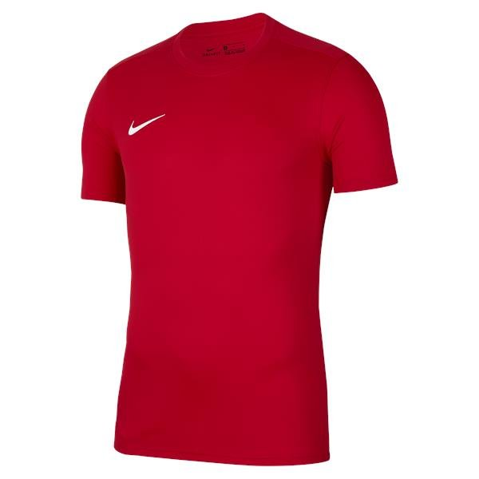
 | Park VIII Shirt (Short Sleeve) - University Red/White |  |  |  | RRP Cost | Club | HTFC Cost | Quantity | Total Cost
 | NIKE Size | Product Code | Height Guide | To Fit Chest Size | incl. VAT | Discount | incl. VAT | Required | incl. VAT | White MDH22 Shirt Numbers
 | X Small Youth | HV8182-657 | 47" to 51" | 25.5" to 26" | £14.99 |  | £14.99 |  | £0.00
 | Small Youth | HV8182-657 | 51" to 55" | 26" to 27" | £14.99 |  | £14.99 |  | £0.00
 | Medium Youth | HV8182-657 | 55" to 59" | 27" to 29.5" | £14.99 |  | £14.99 |  | £0.00
 | Large Youth | HV8182-657 | 59" to 63" | 29.5" to 32" | £14.99 |  | £14.99 |  | £0.00
 | X-Large Youth | HV8182-657 | 63" to 67" | 32" to 35" | £14.99 |  | £14.99 |  | £0.00
 | Small Adult | HV8173-657 |  | 35" to 37.5" | £17.99 |  | £17.99 |  | £0.00
 | Medium Adult | HV8173-657 |  | 37.5" to 41" | £17.99 |  | £17.99 |  | £0.00
 | Large Adult | HV8173-657 |  | 41" to 44" | £17.99 |  | £17.99 |  | £0.00
 | X-Large Adult | HV8173-657 |  | 44" to 48.5" | £17.99 |  | £17.99 |  | £0.00
 | XX-Large Adult | HV8173-657 |  | 48.5" to 53.5" | £17.99 |  | £17.99 |  | £0.00

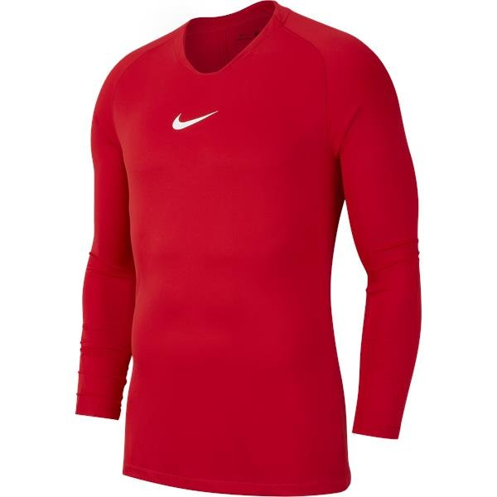
 | Park First Layer Top (Long Sleeve) - University Red/White - NO CLUB BADGE |  |  |  | RRP Cost | Club | HTFC Cost | Quantity | Total Cost
 | NIKE Size | Product Code | Height Guide | To Fit Chest Size | incl. VAT | Discount | incl. VAT | Required | incl. VAT
 | X Small Youth | AV2611-657 | 47" to 51" | 25.5" to 26" | £19.99 |  | £19.99 |  | £0.00
 | Small Youth | AV2611-657 | 51" to 55" | 26" to 27" | £19.99 |  | £19.99 |  | £0.00
 | Medium Youth | AV2611-657 | 55" to 59" | 27" to 29.5" | £19.99 |  | £19.99 |  | £0.00
 | Large Youth | AV2611-657 | 59" to 63" | 29.5" to 32" | £19.99 |  | £19.99 |  | £0.00
 | X-Large Youth | AV2611-657 | 63" to 67" | 32" to 35" | £19.99 |  | £19.99 |  | £0.00
 | Small Adult | AV2609-657 |  | 35" to 37.5" | £24.99 |  | £24.99 |  | £0.00
 | Medium Adult | AV2609-657 |  | 37.5" to 41" | £24.99 |  | £24.99 |  | £0.00
 | Large Adult | AV2609-657 |  | 41" to 44" | £24.99 |  | £24.99 |  | £0.00
 | X-Large Adult | AV2609-657 |  | 44" to 48.5" | £24.99 |  | £24.99 |  | £0.00
 | XX-Large Adult | AV2609-657 |  | 48.5" to 53.5" | £24.99 |  | £24.99 |  | £0.00

 | Park III Knit Short - University Red/White - NO CLUB BADGE |  |  |  | RRP Cost | Club | HTFC Cost | Quantity | Total Cost
 | NIKE Size | Product Code | To Fit Waist Size | To Fit Hips Size | incl. VAT | Discount | incl. VAT | Required | incl. VAT
 | X Small Youth | BV6865-657 | 23.5" to 24" | 27" to 28" | £12.99 |  | £12.99 |  | £0.00
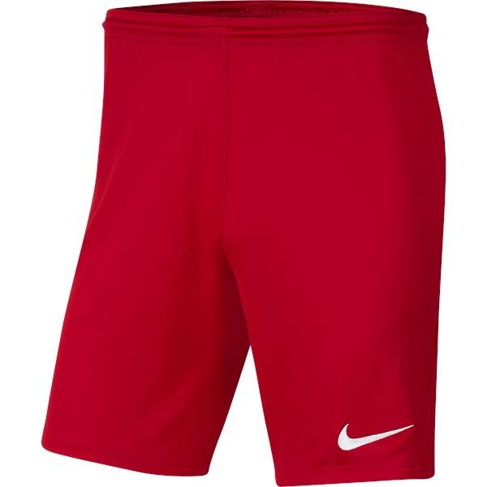
 | Small Youth | BV6865-657 | 24" to 25.5" | 28" to 29.5" | £12.99 |  | £12.99 |  | £0.00
 | Medium Youth | BV6865-657 | 25.5" to 27" | 29.5" to 31.5" | £12.99 |  | £12.99 |  | £0.00
 | Large Youth | BV6865-657 | 27" to 28.5" | 31.5" to 33.5" | £12.99 |  | £12.99 |  | £0.00
 | X-Large Youth | BV6865-657 | 28.5" to 29.5" | 33.5" to 35" | £12.99 |  | £12.99 |  | £0.00
 | Small Adult | BV6855-657 | 29" to 32" | 35" to 37.5" | £16.99 |  | £16.99 |  | £0.00
 | Medium Adult | BV6855-657 | 32" to 35" | 37.5" to 41" | £16.99 |  | £16.99 |  | £0.00
 | Large Adult | BV6855-657 | 35" to 38" | 41" to 44" | £16.99 |  | £16.99 |  | £0.00
 | X-Large Adult | BV6855-657 | 38" to 43" | 44" to 47" | £16.99 |  | £16.99 |  | £0.00
 | XX-Large Adult | BV6855-657 | 43" to 47.5" | 47" to 50.5" | £16.99 |  | £16.99 |  | £0.00

 | LADIES Park VIII Shirt (Short Sleeve) - University Red/White |  |  |  | RRP Cost | Club | HTFC Cost | Quantity | Total Cost
 | NIKE Size | Product Code | Height Guide | To Fit Chest Size | incl. VAT | Discount | incl. VAT | Required | incl. VAT | White MDH22 Shirt Numbers
 | X-Small Ladies | HV8178-657 | 4 to 6 | 29.5" to 32.5" | £17.99 |  | £17.99 |  | £0.00
 | Small Ladies | HV8178-657 | 8 to 10 | 32.5" to 35.5" | £17.99 |  | £17.99 |  | £0.00
 | Medium Ladies | HV8178-657 | 12 to 14 | 35.5" to 38" | £17.99 |  | £17.99 |  | £0.00
 | Large Ladies | HV8178-657 | 16 to 18 | 38" to 41" | £17.99 |  | £17.99 |  | £0.00
 | X-Large Ladies | HV8178-657 | 20 to 22 | 41" to 44.5" | £17.99 |  | £17.99 |  | £0.00
 | XX-Large Ladies | HV8178-657 | 24 to 26 | 44.5" to 48.5" | £17.99 |  | £17.99 |  | £0.00

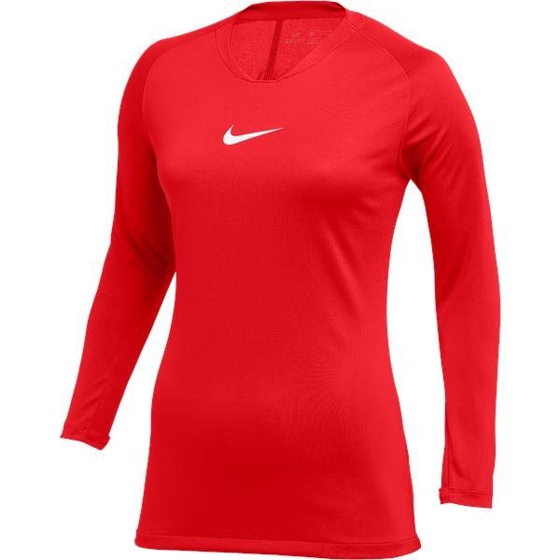
 | LADIES Park First Layer Top (Long Sleeve) - University Red/White - NO CLUB BADGE |  |  |  | RRP Cost | Club | HTFC Cost | Quantity | Total Cost
 | NIKE Size | Product Code | Height Guide | To Fit Chest Size | incl. VAT | Discount | incl. VAT | Required | incl. VAT
 | X-Small Ladies | AV2610-657 | 4 to 6 | 29.5" to 32.5" | £24.99 |  | £24.99 |  | £0.00
 | Small Ladies | AV2610-657 | 8 to 10 | 32.5" to 35.5" | £24.99 |  | £24.99 |  | £0.00
 | Medium Ladies | AV2610-657 | 12 to 14 | 35.5" to 38" | £24.99 |  | £24.99 |  | £0.00
 | Large Ladies | AV2610-657 | 16 to 18 | 38" to 41" | £24.99 |  | £24.99 |  | £0.00
 | X-Large Ladies | AV2610-657 | 20 to 22 | 41" to 44.5" | £24.99 |  | £24.99 |  | £0.00

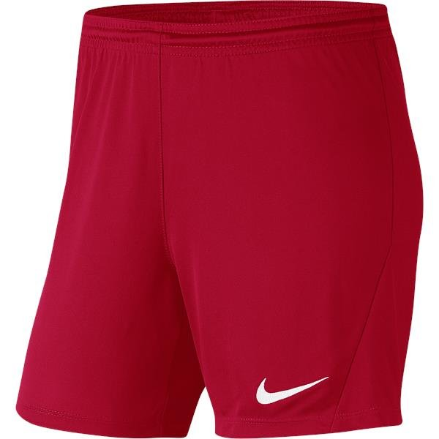
 | LADIES Park III Knit Short - University Red/White - NO CLUB BADGE |  |  |  | RRP Cost | Club | HTFC Cost | Quantity | Total Cost
 | NIKE Size | Product Code | To Fit Waist Size | To Fit Hips Size | incl. VAT | Discount | incl. VAT | Required | incl. VAT
 | X-Small Ladies | BV6860-010 | 23.5" to 26" | 33" to 35.5" | £16.99 |  | £16.99 |  | £0.00
 | Small Ladies | BV6860-010 | 26" to 29" | 35.5" to 38.5" | £16.99 |  | £16.99 |  | £0.00
 | Medium Ladies | BV6860-010 | 29" to 31.5" | 38.5" to 41" | £16.99 |  | £16.99 |  | £0.00
 | Large Ladies | BV6860-010 | 31.5" to 34.5" | 41" to 44" | £16.99 |  | £16.99 |  | £0.00
 | X-Large Ladies | BV6860-010 | 34.5" to 38.5" | 44" to 47" | £16.99 |  | £16.99 |  | £0.00
 | XX-Large Ladies | BV6860-010 | 38.5" to 42.5" | 47" to 50" | £16.99 |  | £16.99 |  | £0.00

 | Classic II Sock - University Red |  |  |  | RRP Cost | Club | HTFC Cost | Quantity | Total Cost
 | NIKE Size | Product Code | UK Shoe Size | EU Shoe Size | incl. VAT | Discount | incl. VAT | Required | incl. VAT
 | X-Small | SX5728-648 | J12.5 to 2.5 | 31 to 35 | £9.99 |  | £9.99 |  | £0.00
 | Small | SX5728-648 | 2 to 5 | 34 to 38 | £9.99 |  | £9.99 |  | £0.00
 | Medium | SX5728-648 | 5 to 8 | 38 to 42 | £9.99 |  | £9.99 |  | £0.00
 | Large | SX5728-648 | 8 to 11 | 42 to 46 | £9.99 |  | £9.99 |  | £0.00
 | X-Large | SX5728-648 | 11 to 14.5 | 46 to 50 | £9.99 |  | £9.99 |  | £0.00

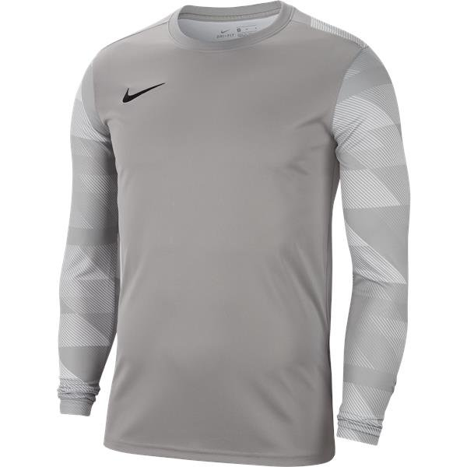
 | Park IV GK Shirt (Long Sleeve) - Pewter Grey/Black |  |  |  | RRP Cost | Club | HTFC Cost | Quantity | Total Cost
 | NIKE Size | Product Code | Height Guide | To Fit Chest Size | incl. VAT | Discount | incl. VAT | Required | incl. VAT | Black MDH22 Shirt Numbers
 | X-Small Youth | CJ6072-052 | 47" to 51" | 25.5" to 26" | £24.99 |  | £24.99 |  | £0.00
 | Small Youth | CJ6072-052 | 51" to 55" | 26" to 27" | £24.99 |  | £24.99 |  | £0.00
 | Medium Youth | CJ6072-052 | 55" to 59" | 27" to 29.5" | £24.99 |  | £24.99 |  | £0.00
 | Large Youth | CJ6072-052 | 59" to 63" | 29.5" to 32" | £24.99 |  | £24.99 |  | £0.00
 | X-Large Youth | CJ6072-052 | 63" to 67" | 32" to 35" | £29.99 |  | £29.99 |  | £0.00
 | Small Adult | CJ6066-052 |  | 35" to 37.5" | £37.99 |  | £37.99 |  | £0.00
 | Medium Adult | CJ6066-052 |  | 37.5" to 41" | £37.99 |  | £37.99 |  | £0.00
 | Large Adult | CJ6066-052 |  | 41" to 44" | £37.99 |  | £37.99 |  | £0.00
 | X-Large Adult | CJ6066-052 |  | 44" to 48.5" | £37.99 |  | £37.99 |  | £0.00
 | XX-Large Adult | CJ6066-052 |  | 48.5" to 53.5" | £37.99 |  | £37.99 |  | £0.00

 | Park III Knit Short - Pewter Grey/Black - NO CLUB BADGE |  |  |  | RRP Cost | Club | HTFC Cost | Quantity | Total Cost
 | NIKE Size | Product Code | To Fit Waist Size | To Fit Hips Size | incl. VAT | Discount | incl. VAT | Required | incl. VAT
 | X-Small Youth | BV6865-017 | 23.5" to 24" | 27" to 28" | £12.99 |  | £12.99 |  | £0.00
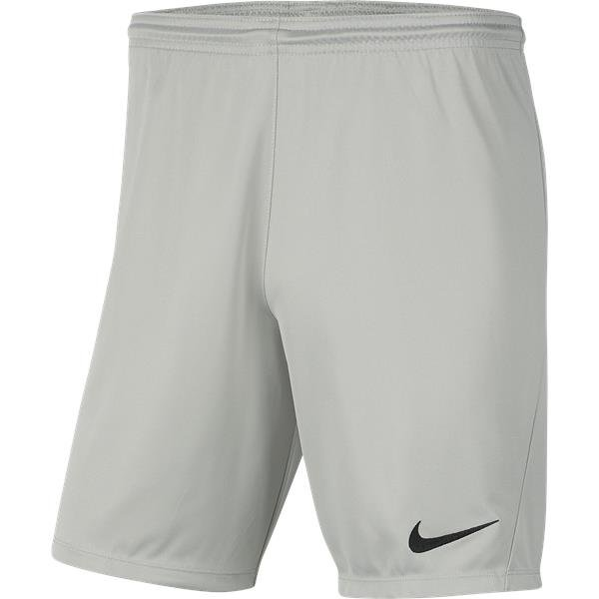
 | Small Youth | BV6865-017 | 24" to 25.5" | 28" to 29.5" | £12.99 |  | £12.99 |  | £0.00
 | Medium Youth | BV6865-017 | 25.5" to 27" | 29.5" to 31.5" | £12.99 |  | £12.99 |  | £0.00
 | Large Youth | BV6865-017 | 27" to 28.5" | 31.5" to 33.5" | £12.99 |  | £12.99 |  | £0.00
 | X-Large Youth | BV6865-017 | 28.5" to 29.5" | 33.5" to 35" | £12.99 |  | £12.99 |  | £0.00
 | Small Adult | BV6855-017 | 29" to 32" | 35" to 37.5" | £16.99 |  | £16.99 |  | £0.00
 | Medium Adult | BV6855-017 | 32" to 35" | 37.5" to 41" | £16.99 |  | £16.99 |  | £0.00
 | Large Adult | BV6855-017 | 35" to 38" | 41" to 44" | £16.99 |  | £16.99 |  | £0.00
 | X-Large Adult | BV6855-017 | 38" to 43" | 44" to 47" | £16.99 |  | £16.99 |  | £0.00
 | XX-Large Adult | BV6855-017 | 43" to 47.5" | 47" to 50.5" | £16.99 |  | £16.99 |  | £0.00

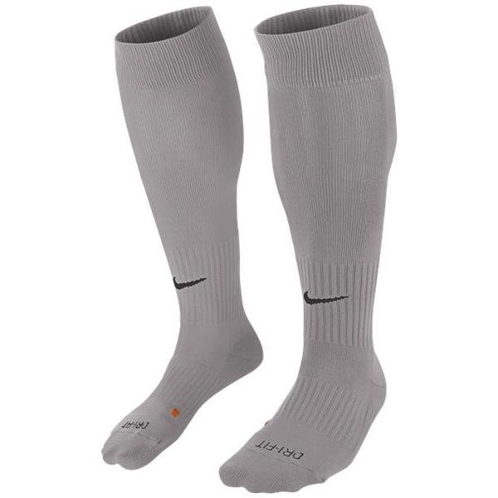
 | Classic II Sock - Pewter Grey |  |  |  | RRP Cost | Club | HTFC Cost | Quantity | Total Cost
 | NIKE Size | Product Code | UK Shoe Size | EU Shoe Size | incl. VAT | Discount | incl. VAT | Required | incl. VAT
 | X-Small | SX5728-057 | J12.5 to 2.5 | 31 to 35 | £9.99 |  | £9.99 |  | £0.00
 | Small | SX5728-057 | 2 to 5 | 34 to 38 | £9.99 |  | £9.99 |  | £0.00
 | Medium | SX5728-057 | 5 to 8 | 38 to 42 | £9.99 |  | £9.99 |  | £0.00
 | Large | SX5728-057 | 8 to 11 | 42 to 46 | £9.99 |  | £9.99 |  | £0.00
 | X-Large | SX5728-057 | 11 to 14.5 | 46 to 50 | £9.99 |  | £9.99 |  | £0.00

 | Personalisation Charges |  |  |  |  |  |  | Qty Required
 | Printed Silicone Club Badge - Left Chest |  |  |  |  |  | £4.00 | 0 | £0.00
 | Printed Nike Partner Club Logo - Above Number |  |  |  |  |  | £0.00 | 0 | £0.00
 | Printed MDH22 Shirt Numbers - Back of Shirt |  |  |  |  |  | £2.00 | 0 | £0.00 | Sponsor Name
 | Printed Sponsor Logo - Centre Chest |  |  |  |  |  | £4.00 | 0 | £0.00

 | Quotation Total (incl. VAT) |  |  |  |  |  |  | £0.00

Training Kit
 | Harborough Town FC
 | Quote Generator & Order Form 2026
 | Nike PLAYERS Training & Off-Field Kit

* Please note that all Ages mentioned are guidelines only and you should also use the height, chest & waist measurements
to identify what size you need to order and please remember to allow for growing room if you want the items to last for 2 seasons

 | Team Age Group
 | Team Name (if applicable)

 | Manager Name |  |  |  |  |  |  | Please send completed forms to sales@mdhteamwear.co.uk
 | Manager Phone Number
 | Manager E-Mail Address

 | Name of Sponsor |  |  |  |  |  |  | Please ensure to attach your sponsor logo to your e-mail..!!
 | Invoice Address for Sponsor
 | E-Mail Address to send Sponsor Invoice

Enter quanitity required in Column K and remember to add Initials/Small Number Allocations

E-Mail Completed Form through to sales@mdhteamwear.co.uk or if you have any questions about your order

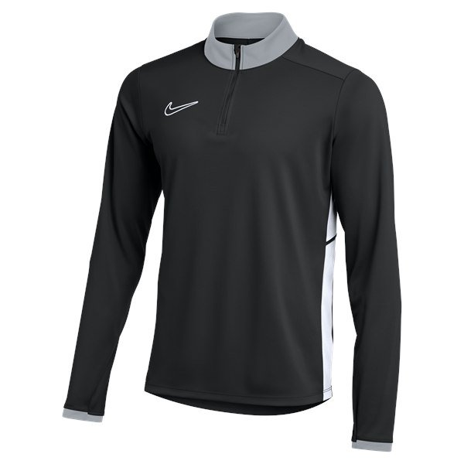
 | Academy 25 Midlayer Drill Top (1/4 Zip) - Black/White |  |  |  | RRP Cost | Club | HTFC Cost | Quantity | Total Cost
 | NIKE Size | Product Code | Height Guide | To Fit Chest Size | incl. VAT | Discount | incl. VAT | Required | incl. VAT | White UVE 30mm Small Numbers/Initials
 | X Small Youth | FZ9773-010 | 47" to 51" | 25.5" to 26" | £32.99 |  | £32.99 |  | £0.00
 | Small Youth | FZ9773-010 | 51" to 55" | 26" to 27" | £32.99 |  | £32.99 |  | £0.00
 | Medium Youth | FZ9773-010 | 55" to 59" | 27" to 29.5" | £32.99 |  | £32.99 |  | £0.00
 | Large Youth | FZ9773-010 | 59" to 63" | 29.5" to 32" | £32.99 |  | £32.99 |  | £0.00
 | X-Large Youth | FZ9773-010 | 63" to 67" | 32" to 35" | £32.99 |  | £32.99 |  | £0.00
 | Small Adult | FZ9767-010 |  | 35" to 37.5" | £39.99 |  | £39.99 |  | £0.00
 | Medium Adult | FZ9767-010 |  | 37.5" to 41" | £39.99 |  | £39.99 |  | £0.00
 | Large Adult | FZ9767-010 |  | 41" to 44" | £39.99 |  | £39.99 |  | £0.00
 | X-Large Adult | FZ9767-010 |  | 44" to 48.5" | £39.99 |  | £39.99 |  | £0.00
 | XX-Large Adult | FZ9767-010 |  | 48.5" to 53.5" | £39.99 |  | £39.99 |  | £0.00

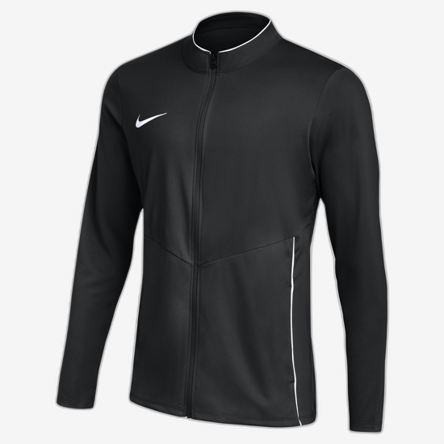
 | Park 26 Knit Tracksuit Jacket (Full Zip) - Black/White |  |  |  | RRP Cost | Club | HTFC Cost | Quantity | Total Cost
 | NIKE Size | Product Code | Height Guide | To Fit Chest Size | incl. VAT | Discount | incl. VAT | Required | incl. VAT | White UVE 30mm Small Numbers/Initials
 | X Small Youth | HM7256-010 | 47" to 51" | 25.5" to 26" | £29.99 |  | £29.99 |  | £0.00
 | Small Youth | HM7256-010 | 51" to 55" | 26" to 27" | £29.99 |  | £29.99 |  | £0.00
 | Medium Youth | HM7256-010 | 55" to 59" | 27" to 29.5" | £29.99 |  | £29.99 |  | £0.00
 | Large Youth | HM7256-010 | 59" to 63" | 29.5" to 32" | £29.99 |  | £29.99 |  | £0.00
 | X-Large Youth | HM7256-010 | 63" to 67" | 32" to 35" | £29.99 |  | £29.99 |  | £0.00
 | Small Adult | HM7249-010 |  | 35" to 37.5" | £37.99 |  | £37.99 |  | £0.00
 | Medium Adult | HM7249-010 |  | 37.5" to 41" | £37.99 |  | £37.99 |  | £0.00
 | Large Adult | HM7249-010 |  | 41" to 44" | £37.99 |  | £37.99 |  | £0.00
 | X-Large Adult | HM7249-010 |  | 44" to 48.5" | £37.99 |  | £37.99 |  | £0.00
 | XX-Large Adult | HM7249-010 |  | 48.5" to 53.5" | £37.99 |  | £37.99 |  | £0.00

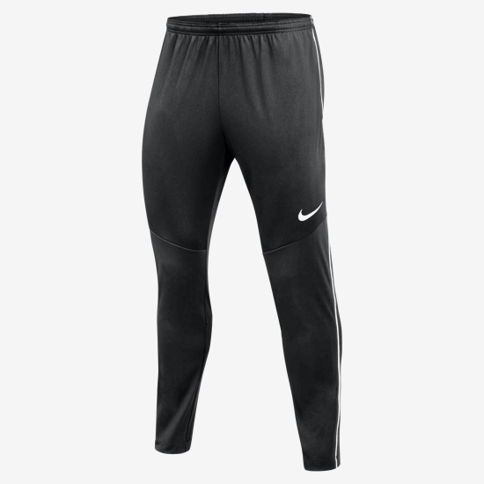
 | Park 26 Knit Tracksuit Pant - Black/White |  |  |  | RRP Cost | Club | HTFC Cost | Quantity | Total Cost
 | NIKE Size | Product Code | To Fit Waist Size | To Fit Hips Size | incl. VAT | Discount | incl. VAT | Required | incl. VAT | White UVE 30mm Small Numbers/Initials
 | X Small Youth | HM7212-010 | 23.5" to 24" | 27" to 28" | £24.99 |  | £24.99 |  | £0.00
 | Small Youth | HM7212-010 | 24" to 25.5" | 28" to 29.5" | £24.99 |  | £24.99 |  | £0.00
 | Medium Youth | HM7212-010 | 25.5" to 27" | 29.5" to 31.5" | £24.99 |  | £24.99 |  | £0.00
 | Large Youth | HM7212-010 | 27" to 28.5" | 31.5" to 33.5" | £24.99 |  | £24.99 |  | £0.00
 | X-Large Youth | HM7212-010 | 28.5" to 29.5" | 33.5" to 35" | £24.99 |  | £24.99 |  | £0.00
 | Small Adult | HM7171-010 | 29" to 32" | 35" to 37.5" | £32.99 |  | £32.99 |  | £0.00
 | Medium Adult | HM7171-010 | 32" to 35" | 37.5" to 41" | £32.99 |  | £32.99 |  | £0.00
 | Large Adult | HM7171-010 | 35" to 38" | 41" to 44" | £32.99 |  | £32.99 |  | £0.00
 | X-Large Adult | HM7171-010 | 38" to 43" | 44" to 47" | £32.99 |  | £32.99 |  | £0.00
 | XX-Large Adult | HM7171-010 | 43" to 47.5" | 47" to 50.5" | £32.99 |  | £32.99 |  | £0.00

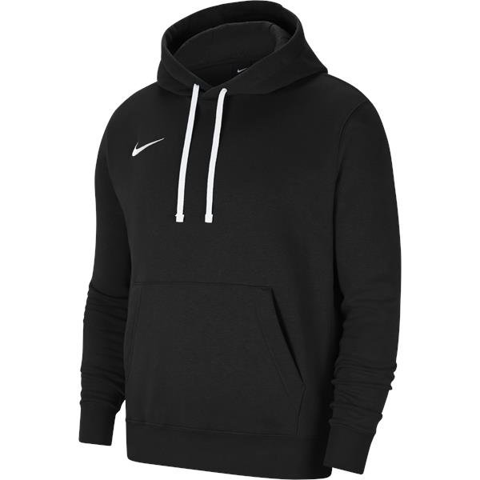
 | Park 26 Hoody (Over The Head) - Black/White |  |  |  | RRP Cost | Club | HTFC Cost | Quantity | Total Cost
 | NIKE Size | Product Code | Height Guide | To Fit Chest Size | incl. VAT | Discount | incl. VAT | Required | incl. VAT | White UVE 30mm Small Numbers/Initials
 | X Small Youth | IB1226-010 | 47" to 51" | 25.5" to 26" | £44.99 |  | £44.99 |  | £0.00
 | Small Youth | IB1226-010 | 51" to 55" | 26" to 27" | £44.99 |  | £44.99 |  | £0.00
 | Medium Youth | IB1226-010 | 55" to 59" | 27" to 29.5" | £44.99 |  | £44.99 |  | £0.00
 | Large Youth | IB1226-010 | 59" to 63" | 29.5" to 32" | £44.99 |  | £44.99 |  | £0.00
 | X-Large Youth | IB1226-010 | 63" to 67" | 32" to 35" | £44.99 |  | £44.99 |  | £0.00
 | Small Adult | IB1222-010 |  | 35" to 37.5" | £54.99 |  | £54.99 |  | £0.00
 | Medium Adult | IB1222-010 |  | 37.5" to 41" | £54.99 |  | £54.99 |  | £0.00
 | Large Adult | IB1222-010 |  | 41" to 44" | £54.99 |  | £54.99 |  | £0.00
 | X-Large Adult | IB1222-010 |  | 44" to 48.5" | £54.99 |  | £54.99 |  | £0.00
 | XX-Large Adult | IB1222-010 |  | 48.5" to 53.5" | £54.99 |  | £54.99 |  | £0.00

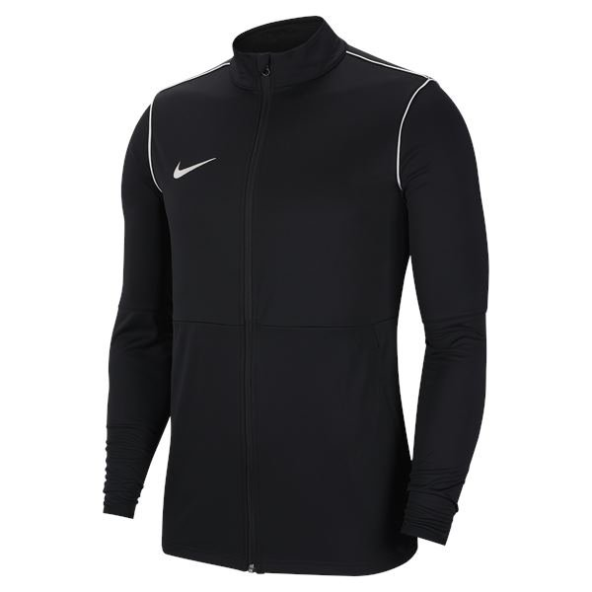
 | Park 20 Rain Jacket (Full Zip) - Black/White |  |  |  | RRP Cost | Club | HTFC Cost | Quantity | Total Cost
 | NIKE Size | Product Code | Height Guide | To Fit Chest Size | incl. VAT | Discount | incl. VAT | Required | incl. VAT | White UVE 30mm Small Numbers/Initials
 | X Small Youth | BV6904-010 | 47" to 51" | 25.5" to 26" | £27.99 |  | £27.99 |  | £0.00
 | Small Youth | BV6904-010 | 51" to 55" | 26" to 27" | £27.99 |  | £27.99 |  | £0.00
 | Medium Youth | BV6904-010 | 55" to 59" | 27" to 29.5" | £27.99 |  | £27.99 |  | £0.00
 | Large Youth | BV6904-010 | 59" to 63" | 29.5" to 32" | £27.99 |  | £27.99 |  | £0.00
 | X-Large Youth | BV6904-010 | 63" to 67" | 32" to 35" | £32.99 |  | £32.99 |  | £0.00
 | Small Adult | BV6881-010 |  | 35" to 37.5" | £37.99 |  | £37.99 |  | £0.00
 | Medium Adult | BV6881-010 |  | 37.5" to 41" | £37.99 |  | £37.99 |  | £0.00
 | Large Adult | BV6881-010 |  | 41" to 44" | £37.99 |  | £37.99 |  | £0.00
 | X-Large Adult | BV6881-010 |  | 44" to 48.5" | £37.99 |  | £37.99 |  | £0.00
 | XX-Large Adult | BV6881-010 |  | 48.5" to 53.5" | £37.99 |  | £37.99 |  | £0.00

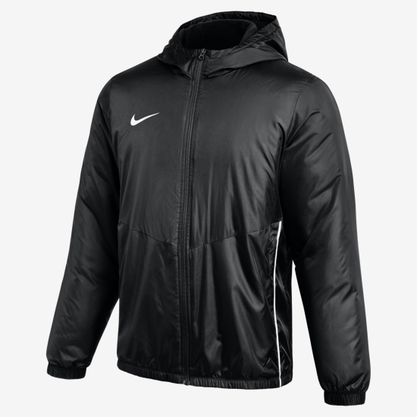
 | Park 20 Thermal Fall Jacket (Full Zip) - Black/White |  |  |  | RRP Cost | Club | HTFC Cost | Quantity | Total Cost
 | NIKE Size | Product Code | Height Guide | To Fit Chest Size | incl. VAT | Discount | incl. VAT | Required | incl. VAT | White UVE 30mm Small Numbers/Initials
 | X Small Youth | HM7274-010 | 47" to 51" | 25.5" to 26" | £84.99 |  | £84.99 |  | £0.00
 | Small Youth | HM7274-010 | 51" to 55" | 26" to 27" | £84.99 |  | £84.99 |  | £0.00
 | Medium Youth | HM7274-010 | 55" to 59" | 27" to 29.5" | £84.99 |  | £84.99 |  | £0.00
 | Large Youth | HM7274-010 | 59" to 63" | 29.5" to 32" | £84.99 |  | £84.99 |  | £0.00
 | X-Large Youth | HM7274-010 | 63" to 67" | 32" to 35" | £84.99 |  | £84.99 |  | £0.00
 | Small Adult | HM7270-010 |  | 35" to 37.5" | £99.99 |  | £99.99 |  | £0.00
 | Medium Adult | HM7270-010 |  | 37.5" to 41" | £99.99 |  | £99.99 |  | £0.00
 | Large Adult | HM7270-010 |  | 41" to 44" | £99.99 |  | £99.99 |  | £0.00
 | X-Large Adult | HM7270-010 |  | 44" to 48.5" | £99.99 |  | £99.99 |  | £0.00
 | XX-Large Adult | HM7270-010 |  | 48.5" to 53.5" | £99.99 |  | £99.99 |  | £0.00

 | Academy Team Duffel Bag - Black/White |  |  |  | RRP Cost | Club | HTFC Cost | Quantity | Total Cost
 | NIKE Size | Product Code | Litres | Dimensions (cm) | incl. VAT | Discount | incl. VAT | Required | incl. VAT | White UVE 45mm Small Numbers/Initials
 | Small | CU8097-010 | 41L | 53L x 26W x 28H | £29.99 |  | £29.99 |  | £0.00
 | Medium | CU8090-010 | 60L | 64L x 30W x 31H | £34.99 |  | £34.99 |  | £0.00
 | Large | CU8089-010 | 95L | 70L x 36W x 35H | £39.99 |  | £39.99 |  | £0.00

 | Academy Team Hardcase Bag - Black/White |  |  |  | RRP Cost | Club | HTFC Cost | Quantity | Total Cost
 | NIKE Size | Product Code | Litres | Dimensions (cm) | incl. VAT | Discount | incl. VAT | Required | incl. VAT | White UVE 45mm Small Numbers/Initials
 | Medium | CU8096-010 | 37L | 53L x 30W x 27H | £42.99 |  | £42.99 |  | £0.00
 | Large | CU8087-010 | 59L | 64L x 31W x 30H | £49.99 |  | £49.99 |  | £0.00

 | Academy Team Backpack - Black/White |  |  |  | RRP Cost | Club | HTFC Cost | Quantity | Total Cost
 | NIKE Size | Product Code | Dimensions (") |  | incl. VAT | Discount | incl. VAT | Required | incl. VAT | White UVE 45mm Small Numbers/Initials
 | One Size | DV0761-011 | 19"H x 13"W x 7"D |  | £39.99 |  | £39.99 |  | £0.00

 | Personalisation Charges |  |  |  |  |  |  | Qty Required
 | Printed Silicone Club Badge |  |  |  |  |  | £4.00 | 0 | £0.00
 | Embroidered Club Badge |  |  |  |  |  | £4.00 | 0 | £0.00 | Sponsor Name
 | Printed Sponsor Logo |  |  |  |  |  | £4.00 | 0 | £0.00
 | Printed UVE 30mm/45mm Small Numbers |  |  |  |  |  | £1.50 | 0 | £0.00
 | Printed UVE 30mm/45mm Initials |  |  |  |  |  | £1.50 | 0 | £0.00

 | Quotation Total (incl. VAT) |  |  |  |  |  |  | £0.00

LADIES Training Kit
 | Harborough Town FC
 | Quote Generator & Order Form 2026
 | Nike FEMALE PLAYERS Training & Off-Field Kit

* Please note that all Ages mentioned are guidelines only and you should also use the height, chest & waist measurements
to identify what size you need to order and please remember to allow for growing room if you want the items to last for 2 seasons

 | Team Age Group
 | Team Name (if applicable)

 | Manager Name |  |  |  |  | Please send completed forms to sales@mdhteamwear.co.uk
 | Manager Phone Number
 | Manager E-Mail Address

 | Name of Sponsor |  |  |  |  | Please ensure to attach your sponsor logo to your e-mail..!!
 | Invoice Address for Sponsor
 | E-Mail Address to send Sponsor Invoice

Enter quanitity required in Column K and remember to add Initials/Small Number Allocations

E-Mail Completed Form through to sales@mdhteamwear.co.uk or if you have any questions about your order

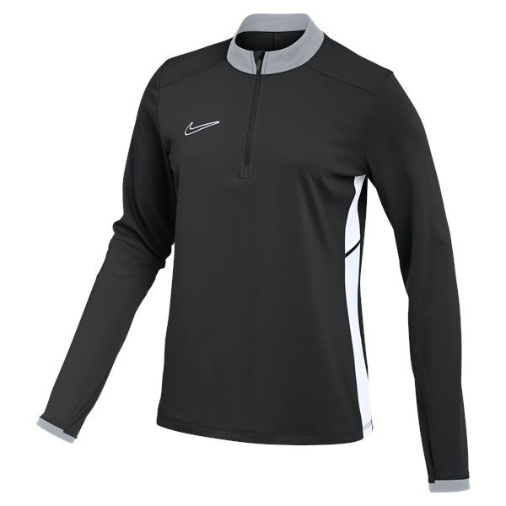
 | LADIES Academy 25 Midlayer Drill Top (1/4 Zip) - Black/White |  |  |  | HTFC Cost | Quantity | Total Cost
 | NIKE Size | Product Code | Height Guide | To Fit Chest Size | incl. VAT | Required | incl. VAT | White UVE 30mm Small Numbers/Initials
 | X-Small Ladies | FZ9770-010 | 4 to 6 | 29.5" to 32.5" | £39.99 |  | £0.00
 | Small Ladies | FZ9770-010 | 8 to 10 | 32.5" to 35.5" | £39.99 |  | £0.00
 | Medium Ladies | FZ9770-010 | 12 to 14 | 35.5" to 38" | £39.99 |  | £0.00
 | Large Ladies | FZ9770-010 | 16 to 18 | 38" to 41" | £39.99 |  | £0.00
 | X-Large Ladies | FZ9770-010 | 20 to 22 | 41" to 44.5" | £39.99 |  | £0.00
 | XX-Large Ladies | FZ9770-010 | 24 to 26 | 44.5" to 48.5" | £39.99 |  | £0.00
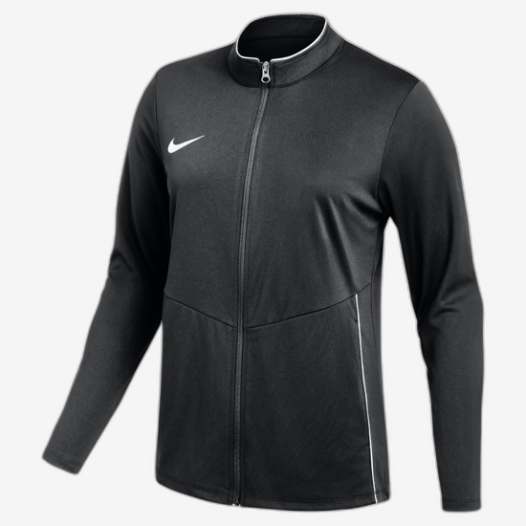
 | LADIES Park 26 Knit Tracksuit Jacket (Full Zip) - Black/White |  |  |  | HTFC Cost | Quantity | Total Cost
 | NIKE Size | Product Code | Height Guide | To Fit Chest Size | incl. VAT | Required | incl. VAT | White UVE 30mm Small Numbers/Initials
 | X-Small Ladies | HM7252-010 | 4 to 6 | 29.5" to 32.5" | £37.99 |  | £0.00
 | Small Ladies | HM7252-010 | 8 to 10 | 32.5" to 35.5" | £37.99 |  | £0.00
 | Medium Ladies | HM7252-010 | 12 to 14 | 35.5" to 38" | £37.99 |  | £0.00
 | Large Ladies | HM7252-010 | 16 to 18 | 38" to 41" | £37.99 |  | £0.00
 | X-Large Ladies | HM7252-010 | 20 to 22 | 41" to 44.5" | £37.99 |  | £0.00

 | LADIES Park 26 Knit Tracksuit Pant - Black/White |  |  |  | HTFC Cost | Quantity | Total Cost
 | NIKE Size | Product Code | To Fit Waist Size | To Fit Hips Size | incl. VAT | Required | incl. VAT | White UVE 30mm Small Numbers/Initials
 | X-Small Ladies | HM7210-010 | 23.5" to 26" | 33" to 35.5" | £32.99 |  | £0.00
 | Small Ladies | HM7210-010 | 26" to 29" | 35.5" to 38.5" | £32.99 |  | £0.00
 | Medium Ladies | HM7210-010 | 29" to 31.5" | 38.5" to 41" | £32.99 |  | £0.00
 | Large Ladies | HM7210-010 | 31.5" to 34.5" | 41" to 44" | £32.99 |  | £0.00
 | X-Large Ladies | HM7210-010 | 34.5" to 38.5" | 44" to 47" | £32.99 |  | £0.00

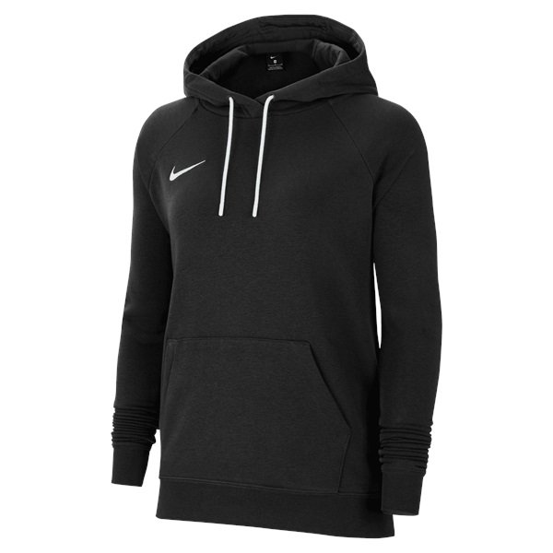
 | LADIES Park 26 Hoody (Over The Head) - Black/White |  |  |  | HTFC Cost | Quantity | Total Cost
 | NIKE Size | Product Code | Height Guide | To Fit Chest Size | incl. VAT | Required | incl. VAT | White UVE 30mm Small Numbers/Initials
 | X-Small Ladies | IB1224-010 | 4 to 6 | 29.5" to 32.5" | £54.99 |  | £0.00
 | Small Ladies | IB1224-010 | 8 to 10 | 32.5" to 35.5" | £54.99 |  | £0.00
 | Medium Ladies | IB1224-010 | 12 to 14 | 35.5" to 38" | £54.99 |  | £0.00
 | Large Ladies | IB1224-010 | 16 to 18 | 38" to 41" | £54.99 |  | £0.00
 | X-Large Ladies | IB1224-010 | 20 to 22 | 41" to 44.5" | £54.99 |  | £0.00
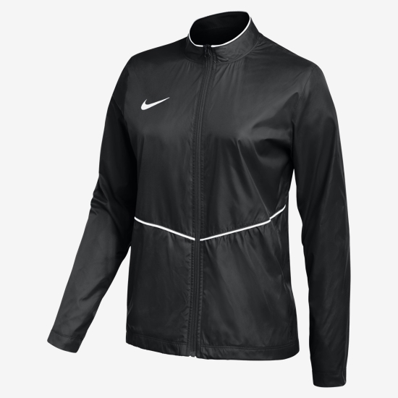
 | LADIES Park 26 Rain Jacket (Full Zip) - Black/White |  |  |  | HTFC Cost | Quantity | Total Cost
 | NIKE Size | Product Code | Height Guide | To Fit Chest Size | incl. VAT | Required | incl. VAT | White UVE 30mm Small Numbers/Initials
 | X-Small Ladies | HM7267-010 | 4 to 6 | 29.5" to 32.5" | £39.99 |  | £0.00
 | Small Ladies | HM7267-010 | 8 to 10 | 32.5" to 35.5" | £39.99 |  | £0.00
 | Medium Ladies | HM7267-010 | 12 to 14 | 35.5" to 38" | £39.99 |  | £0.00
 | Large Ladies | HM7267-010 | 16 to 18 | 38" to 41" | £39.99 |  | £0.00
 | X-Large Ladies | HM7267-010 | 20 to 22 | 41" to 44.5" | £39.99 |  | £0.00
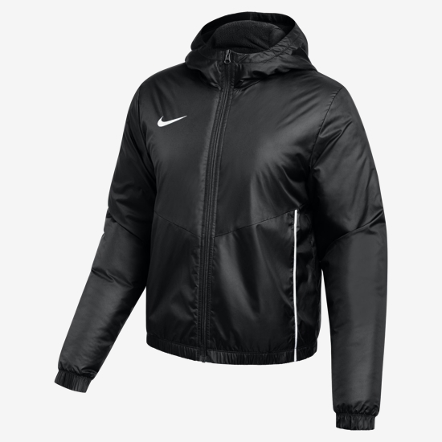
 | LADIES Park 26 Fall Jacket (Full Zip) - Black/White |  |  |  | HTFC Cost | Quantity | Total Cost
 | NIKE Size | Product Code | Height Guide | To Fit Chest Size | incl. VAT | Required | incl. VAT | White UVE 30mm Small Numbers/Initials
 | X-Small Ladies | HM7272-010 | 4 to 6 | 29.5" to 32.5" | £99.99 |  | £0.00
 | Small Ladies | HM7272-010 | 8 to 10 | 32.5" to 35.5" | £99.99 |  | £0.00
 | Medium Ladies | HM7272-010 | 12 to 14 | 35.5" to 38" | £99.99 |  | £0.00
 | Large Ladies | HM7272-010 | 16 to 18 | 38" to 41" | £99.99 |  | £0.00
 | X-Large Ladies | HM7272-010 | 20 to 22 | 41" to 44.5" | £99.99 |  | £0.00

 | Personalisation Charges |  |  |  |  | Qty Required
 | Printed Silicone Club Badge |  |  |  | £4.00 | 0 | £0.00
 | Embroidered Club Badge |  |  |  | £4.00 | 0 | £0.00 | Sponsor Name
 | Printed Sponsor Logo |  |  |  | £4.00 | 0 | £0.00
 | Printed UVE 30mm/45mm Small Numbers |  |  |  | £1.50 | 0 | £0.00
 | Printed UVE 30mm/45mm Initials |  |  |  | £1.50 | 0 | £0.00

 | Quotation Total (incl. VAT) |  |  |  |  | £0.00

